Sheet1
 | CREATING account

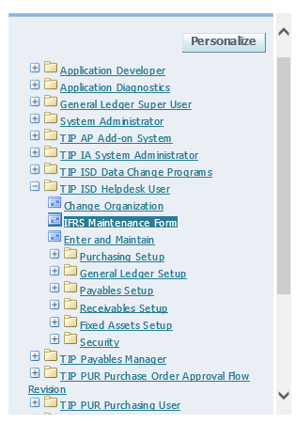

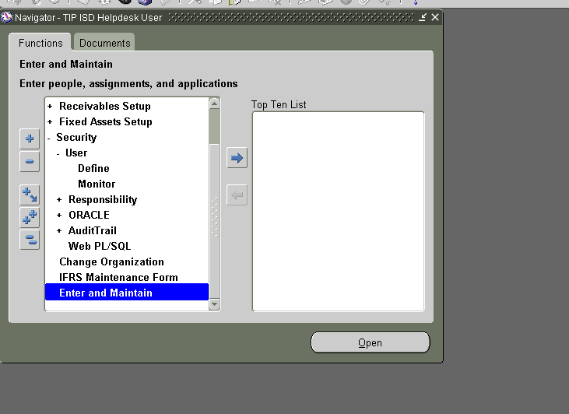

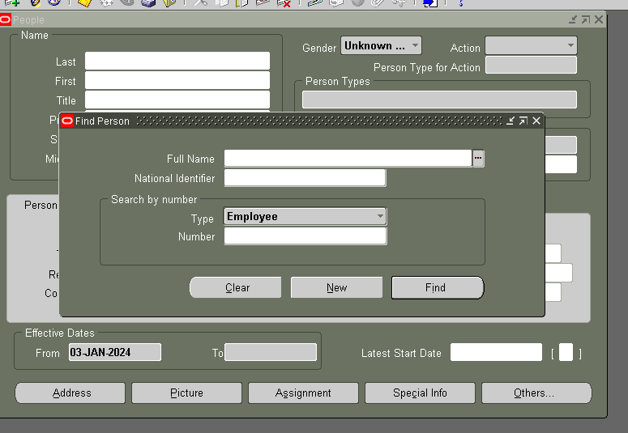

 |  |  |  | click new

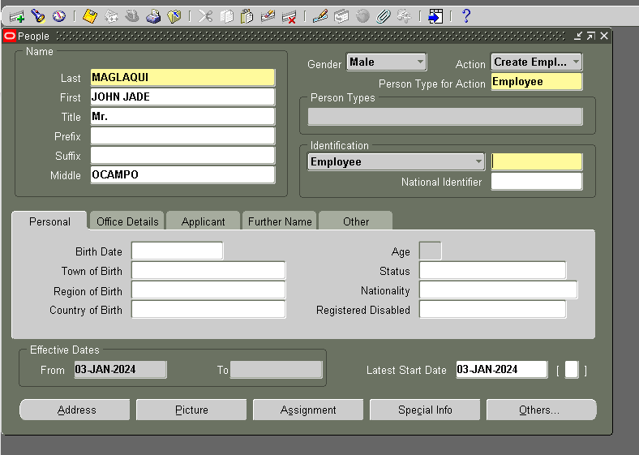

 |  |  |  | INPUT MUST BE ALL CAPS

 |  |  | T(NUMBER) go to EMPLOYEE DATABSE VIEWER(web app)

 |  |  | BIRTHDAY and other blanks is optional

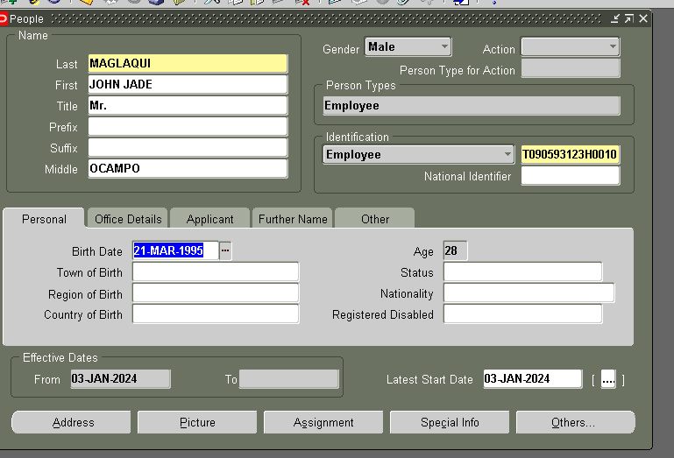

 |  |  | SAVE

AFTER CREATING AN ACCOUNT, THE NEST STEP IS ADDING RESPONSIBILITIES
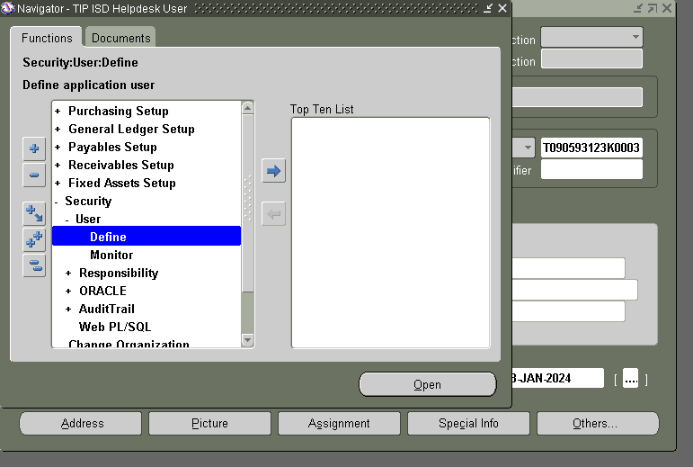

 |  | <- here click define

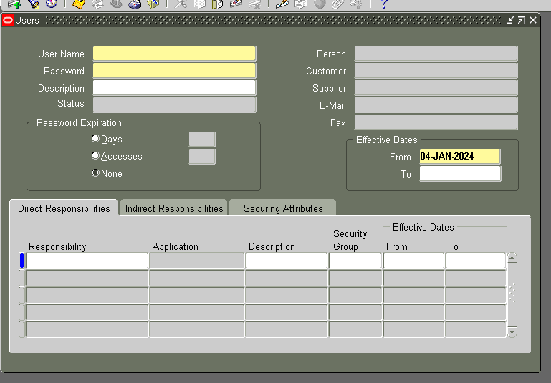

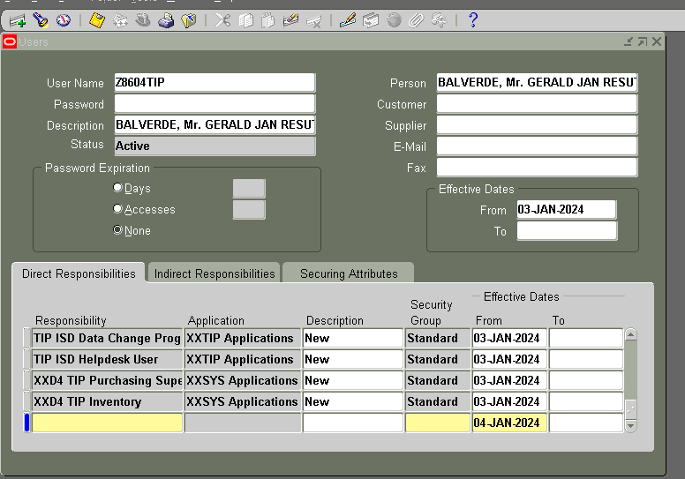

 |  | ADD RESPONSIBILITY, CLCK LOV TO SEARCH THE RESPINSIBILITY WITH PERCENT SIGNFRONT AND BACK

 |  | ON DECRIPTION JUST TYPE "New" INITCAP

 |  | AFTER ADDNIGN RESPONSIBILITY

 |  | JUST CLICK DOWN WHEN ADDING A NEW RESPONSIBILITY

